Title sheet
Week 3: Practice Challenge 1 - Formatting

This week we have a formidable challenge for you. Transform the Push Pin Timesheet from looking like a bunch of text and numbers to looking fabulous:
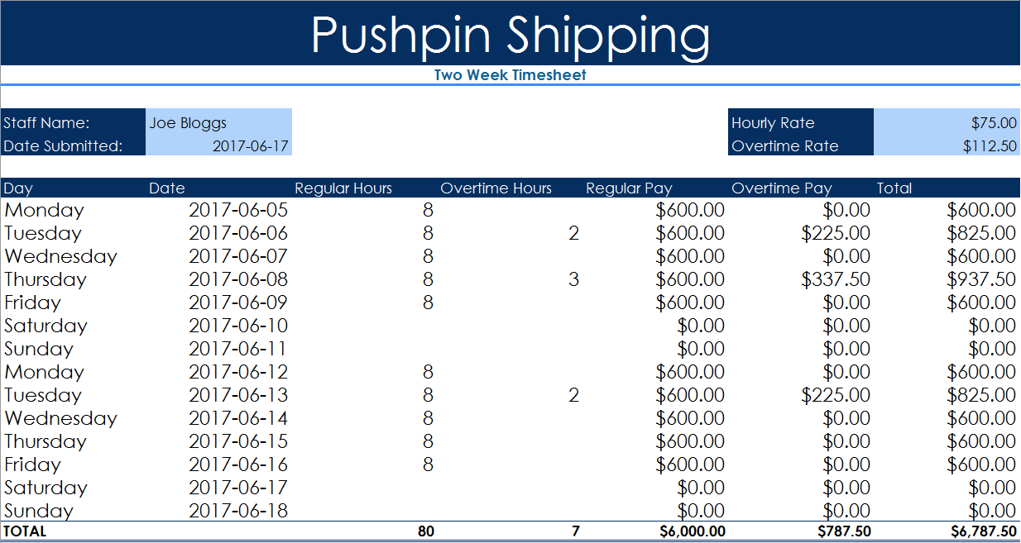

Head over to the Challenge Worksheet and get right into it. Don't worry, you can do this. We will be with you every step of the way with Nicky's excellent instructions.

